网络使用指南 Network User Guide
医疗网络名单 MEDICAL PROVIDER LIST

直付网络使用指南 Direct Billing Network User Guide

目录及连结 Table of Contents and Hyperlinks

第一页 - 网络使用指南 Page 1 - Network User Guide
第二页 - 中国大陆网络 Page 2 - Mainland China Network
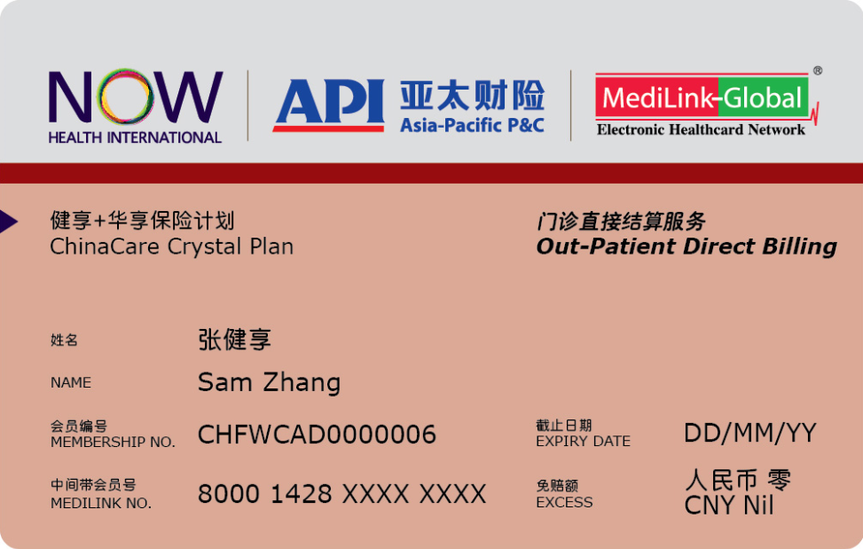 《健享+》 卡样 ChinaCare Card Sample
门诊直付服务 如果您的保险计划中没有免赔额或者您已经购买了门诊直付服务，您可以在我们的直付网络内的医疗机构里接受门诊治疗而无需支付费用。 如需查找可以提供直付服务的中国大陆医疗机构，请参考本指南第二页的中国大陆网络列表。您可以在我们的直付网络里找到适合您的医疗机构。 门诊直付医疗网络医院清单在’http://www.now-health.cn/’公示。门诊直付医疗网络医院清单可能会发生变化和调整， 在以上网址公布的清单，视同通知并送达投保人及每一被保险人。每次就诊前，被保险人应及时查询门诊直付医疗网络医院清单变动情况。因门诊直付医疗网络医院清单变动导致被保险人保障条件变化，本公司不承担责任。 为了给您提供更加优质便捷的就医体验，请在就诊前至少提前一个工作日拨打我司客服热线或网络医疗机构电话提前进行门诊预约，避免因医疗机构预约已满或候诊时间长给您带来的就诊困扰。
住院、日间留院治疗和重大门诊直付安排 如果您需要接受住院治疗，日间留院治疗或者重大门诊治疗，请务必提前5个工作日（或尽可能提前）在接受治疗前告知我们。否则我们可能会无法与医疗机构安排直接结算。这意味着您可能需要向医疗机构支付押金甚至全额支付您的账单。
重要提示: 如果您选择了“门诊费用的自付比例”选项，请注意中国大陆境内的公立医院不能提供门诊直付服务，详情请参阅页内附注。
Out-Patient Direct Billing If you have a nil excess or the Out-Patient Direct Billing option, you can access any of these providers without having to pay anything. Please note that if you have selected co-insurance out-patient charges, you must pay the co-insurance. For information on Outpatient facilities in Mainland China, please refer to the ''Mainland China Network' tab in Page 2 for the medical facilities in Mainland China. The Out-Patient Direct Billing list could be found from our web site in ‘http://www.now-health.cn/’. Such list could be updated from time to time. For the changes made in the Out-Patient Direct Billing list could be deemed to be sent to the policyholder and each respective insured person. The insured person should promptly check for any changes in the list before each of their medical visit. The insurer is not responsible forany change in the insurance terms caused by the change of the network list’. For a better outpatient treatment experience, please always call our customer service or network provider at least one working day ahead to make appointment before visit to avoid appointment fully booked and long waiting time for treatment at the medical facility.

In-Patient, Day-Patient Treatment or Major Out-Patient Treatment Direct Billing For in-patient treatment, day-patient treatment or major out-patient treatment, please contact us at least 5 working days in advance (or as early as possible) before the treatment. Otherwise, we may not be able to arrange to pay the medical provider directly. This might mean that you have to pay a deposit to the medical provider or pay your bill in full.

Important Note: The out-patient direct billing service is not available in the public hospitals in China if your policy includes the co-insurance out-patient charges option. Please refer to the special "Notes" in the list.

We are always adding new providers so please check back next time you need to access our network. 我们不断在网络中增加新的医疗机构，因此请记得在安排治疗时查询最新信息。

Updated: 09 Dec 2020
更新日期 2020年12月09日

